Sheet1
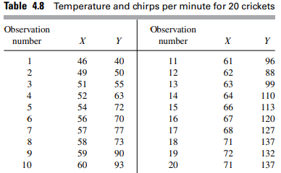
 |  |  |  |  | #Observation | x | y | xy | x^2
 |  |  |  |  | 1 | 46 | 40 | 1840 | 2116
 |  |  |  |  | 2 | 49 | 50 | 2450 | 2401
 |  |  |  |  | 3 | 51 | 55 | 2805 | 2601
 |  |  |  |  | 4 | 52 | 63 | 3276 | 2704
 |  |  |  |  | 5 | 54 | 72 | 3888 | 2916
 |  |  |  |  | 6 | 56 | 70 | 3920 | 3136
 |  |  |  |  | 7 | 57 | 77 | 4389 | 3249
 |  |  |  |  | 8 | 58 | 73 | 4234 | 3364
 |  |  |  |  | 9 | 59 | 90 | 5310 | 3481
 |  |  |  |  | 10 | 60 | 93 | 5580 | 3600
 |  |  |  |  | 11 | 61 | 96 | 5856 | 3721
 |  |  |  |  | 12 | 62 | 88 | 5456 | 3844
 |  |  |  |  | 13 | 63 | 99 | 6237 | 3969
 |  |  |  |  | 14 | 64 | 110 | 7040 | 4096
 |  |  |  |  | 15 | 66 | 113 | 7458 | 4356
 |  |  |  |  | 16 | 67 | 120 | 8040 | 4489
 |  |  |  |  | 17 | 68 | 127 | 8636 | 4624
 |  |  |  |  | 18 | 71 | 137 | 9727 | 5041
 |  |  |  |  | 19 | 72 | 132 | 9504 | 5184
 |  |  |  |  | 20 | 71 | 137 | 9727 | 5041
 |  |  |  |  | Total | 1207 | 1842 | 115373 | 73933
 |  |  |  |  | (sum(x))^2 | 1456849
 |  |  |  |  |  | 60.35 | 92.1

b = | 3.8588785475 | a= | -140.78332034

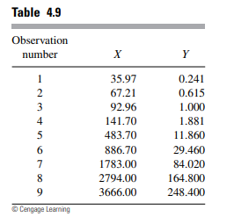

 | #Observation |  | x | y | xy | x^2
 | 1 |  | 35.97 | 0.241 | 8.66877 | 1293.8409
 | 2 |  | 67.21 | 0.615 | 41.33415 | 4517.1841
 | 3 |  | 92.96 | 1 | 92.96 | 8641.5616
 | 4 |  | 141.7 | 1.881 | 266.5377 | 20078.89
 | 5 |  | 483.7 | 11.86 | 5736.682 | 233965.69
 | 6 |  | 886.7 | 29.46 | 26122.182 | 786236.89
 | 7 |  | 1783 | 84.02 | 149807.66 | 3179089
 | 8 |  | 2794 | 164.8 | 460451.2 | 7806436
 | 9 |  | 3666 | 248.4 | 910634.4 | 13439556
 | Total |  | 9951.24 | 542.277 | 1553161.6246 | 25479815.057
 |  | a = | 0.065868829333
 |  | b = | -12.577725468

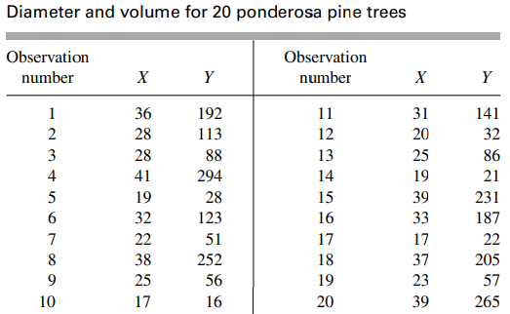
 |  |  |  |  | #Observation | x | y | xy | x^2
 |  |  |  |  | 1 | 3.5835189385 | 5.257495372 | 18.840334235 | 12.841607982
 |  |  |  |  | 2 | 3.5835189385 | 5.257495372 | 18.840334235 | 12.841607982
 |  |  |  |  | 3 | 3.5835189385 | 5.257495372 | 18.840334235 | 12.841607982
 |  |  |  |  | 4 | 3.5835189385 | 5.257495372 | 18.840334235 | 12.841607982
 |  |  |  |  | 5 | 3.5835189385 | 5.257495372 | 18.840334235 | 12.841607982
 |  |  |  |  | 6 | 3.5835189385 | 5.257495372 | 18.840334235 | 12.841607982
 |  |  |  |  | 7 | 3.5835189385 | 5.257495372 | 18.840334235 | 12.841607982
 |  |  |  |  | 8 | 3.5835189385 | 5.257495372 | 18.840334235 | 12.841607982
 |  |  |  |  | 9 | 3.5835189385 | 5.257495372 | 18.840334235 | 12.841607982
 |  |  |  |  | 10 | 3.5835189385 | 5.257495372 | 18.840334235 | 12.841607982
 |  |  |  |  | 11 | 3.5835189385 | 5.257495372 | 18.840334235 | 12.841607982
 |  |  |  |  | 12 | 3.5835189385 | 5.257495372 | 18.840334235 | 12.841607982
 |  |  |  |  | 13 | 3.5835189385 | 5.257495372 | 18.840334235 | 12.841607982
 |  |  |  |  | 14 | 3.5835189385 | 5.257495372 | 18.840334235 | 12.841607982
 |  |  |  |  | 15 | 3.5835189385 | 5.257495372 | 18.840334235 | 12.841607982
 |  |  |  |  | 16 | 3.5835189385 | 5.257495372 | 18.840334235 | 12.841607982
 |  |  |  |  | 17 | 3.5835189385 | 5.257495372 | 18.840334235 | 12.841607982
 |  |  |  |  | 18 | 3.5835189385 | 5.257495372 | 18.840334235 | 12.841607982
 |  |  |  |  | 19 | 3.5835189385 | 5.257495372 | 18.840334235 | 12.841607982
 |  |  |  |  | 20 | 3.5835189385 | 5.257495372 | 18.840334235 | 12.841607982
 |  |  |  |  | Total | 71.670378769 | 105.14990744 | 376.80668469 | 256.83215965

